F-18C
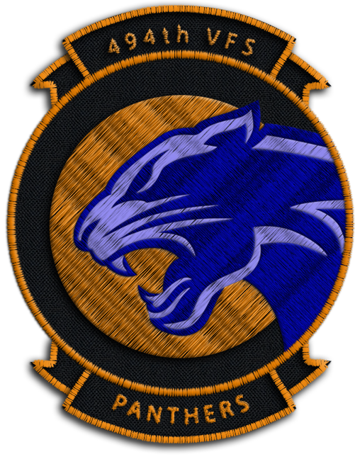
Air to Air Weapons | Cost | Weight (kg) | Number of Weapons | Cost Total | Weight Total (kg)
AIM-120B | $260,000 | 150 |  | $0 | 0
AIM-120C | $400,000 | 150 |  | $0 | 0
AIM-7F | $100,000 | 230 |  | $0 | 0
AIM-7M | $120,000 | 230 |  | $0 | 0
AIM-7MH | $125,000 | 230 |  | $0 | 0
AIM-9L | $190,000 | 86 |  | $0 | 0
AIM-9M | $200,000 | 86 |  | $0 | 0
AIM-9X | $350,000 | 85 |  | $0 | 0
Air to Ground Weapons | Cost | Weight (kg) | Number of Weapons | Cost | Weight Total (kg)
Mk-82 | $2,000 | 241 |  | $0 | 0
Mk-82 AIR | $2,300 | 258 |  | $0 | 0
Mk-82 AIR w/ ballute | $2,300 | 241 |  | $0 | 0
Mk-83 | $2,800 | 447 |  | $0 | 0
Mk-84 | $3,100 | 925 |  | $0 | 0
CBU-99 | $15,000 | 330 |  | $0 | 0

GBU-12 | $21,000 | 225 |  | $0 | 0
GBU-16 | $26,000 | 454 |  | $0 | 0
GBU-10 | $30,000 | 900 |  | $0 | 0

GBU-38 | $25,000 | 252 |  | $0 | 0
GBU-31(V)3/B | $38,000 | 981 |  | $0 | 0
GBU-31 | $35,000 | 900 |  | $0 | 0
AGM-154A | $435,000 | 483 |  | $0 | 0
AGM-154C | $719,012 | 497 |  | $0 | 0

AGM-65E | $75,000 | 293 |  | $0 | 0
AGM-65F | $90,000 | 306 |  | $0 | 0
AGM-62 | $30,000 | 1060 |  | $0 | 0

AGM-88C | $300,000 | 361 |  | $0 | 0

AGM-84D | $500,000 | 661 |  | $0 | 0
AGM-84E | $600,000 | 627 |  | $0 | 0

MK151 HE Rocket | $58,000 | 234 |  | $0 | 0
MK 156 WP Rocket | $58,000 | 234 |  | $0 | 0
MK5 HEAT Rocket | $58,000 | 234 |  | $0 | 0
MK61 WP Rocket | $58,000 | 234 |  | $0 | 0
Miscellaneous | Cost | Weight (kg) | Number of Weapons | Cost | Weight Total (kg)
AN/AAQ-28 Lightning Pod | $1,400,000 | 300 |  | $0 | 0
AAW-13 Datalink Pod | $1,300,000 | 300 |  | $0 | 0
Fuel Drop Tanks | $5,000 | 125 |  | $0 | 0

 |  |  | TOTAL | $0 | 0

Max Cost Allowed: $100,000,000
Max Weight Allowed: 120,000 kgs

F-16C
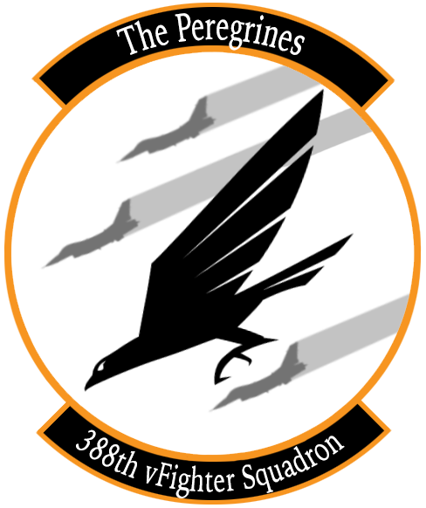
Air to Air Weapons | Cost | Weight (kg) | Number of Weapons | Cost Total | Weight Total (kg)
AIM-120B | $260,000 | 150 |  | $0 | 0
AIM-120C | $400,000 | 150 |  | $0 | 0
AIM-9L | $190,000 | 86 |  | $0 | 0
AIM-9M | $200,000 | 86 |  | $0 | 0
AIM-9X | $350,000 | 85 |  | $0 | 0
Air to Ground Weapons | Cost | Weight (kg) | Number of Weapons | Cost | Weight Total (kg)
Mk-82 | $2,000 | 241 |  | $0 | 0
Mk-82 AIR | $2,300 | 258 |  | $0 | 0
Mk-82 AIR w/ ballute | $2,300 | 241 |  | $0 | 0
Mk-84 | $3,100 | 925 |  | $0 | 0

GBU-12 | $21,000 | 225 |  | $0 | 0
GBU-10 | $30,000 | 900 |  | $0 | 0
 |  |  |  |  | 0
CBU-87 | $30,000 | 430 |  | $0 | 0
CBU-97 | $600,000 | 415 |  | $0 | 0

MK151 HE Rocket | $58,000 | 234 |  | $0 | 0
MK 156 WP Rocket | $58,000 | 234 |  | $0 | 0
MK5 HEAT Rocket | $58,000 | 234 |  | $0 | 0
MK61 WP Rocket | $58,000 | 234 |  | $0 | 0
Miscellaneous | Cost | Weight (kg) | Number of Weapons | Cost | Weight Total (kg)
AN/AAQ-28 Lightning | $1,400,000 | 300 |  | $0 | 0
Fuel Drop Tanks | $5,000 | 125 |  | $0 | 0

 |  |  | TOTAL | $0 | 0

Max Cost Allowed: $100,000,000
Max Weight Allowed: 120,000 kgs

F-14B
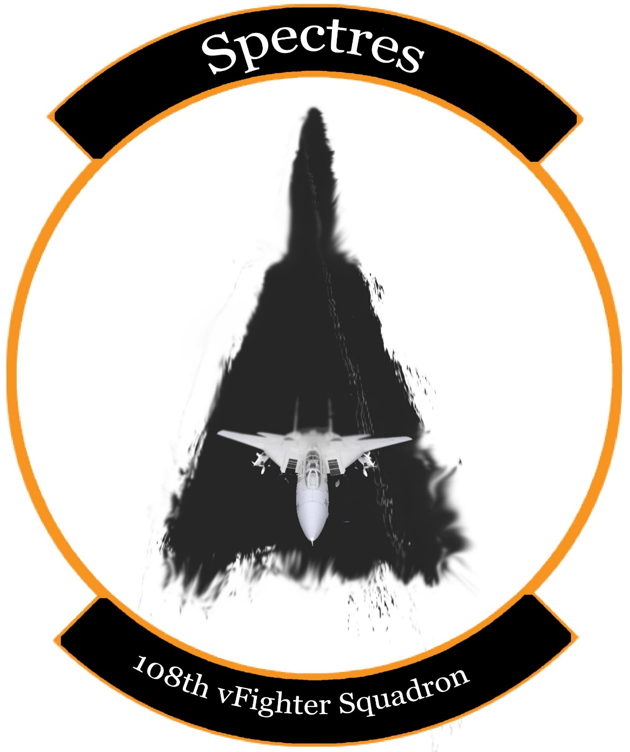
Air to Air Weapons | Cost | Weight (kg) | Number of Weapons | Cost Total | Weight Total (kg)
AIM-54A-Mk47 | $470,000 | 447 |  | $0 | 0
AIM-54A-Mk60 | $500,000 | 471 |  | $0 | 0
AIM-54C-Mk47 | $600,000 | 465 |  | $0 | 0
AIM-7F | $100,000 | 230 |  | $0 | 0
AIM-7M | $120,000 | 230 |  | $0 | 0
AIM-7MH | $125,000 | 230 |  | $0 | 0
AIM-9L | $190,000 | 86 |  | $0 | 0
AIM-9M | $200,000 | 86 |  | $0 | 0
Air to Ground Weapons | Cost | Weight (kg) | Number of Weapons | Cost | Weight Total (kg)
Mk-81 | $1,700 | 119 |  | $0 | 0
Mk-82 | $2,000 | 241 |  | $0 | 0
Mk-82 AIR | $2,300 | 258 |  | $0 | 0
Mk-82 AIR w/ ballute | $2,300 | 241 |  | $0 | 0
Mk-83 | $2,800 | 447 |  | $0 | 0
Mk-84 | $3,100 | 925 |  | $0 | 0

GBU-12 | $21,000 | 225 |  | $0 | 0
GBU-16 | $30,000 | 454 |  | $0 | 0
GBU-10 | $35,000 | 900 |  | $0 | 0
GBU-24 | $38,000 | 1000 |  | $0 | 0

MK-20 | $60,000 | 222 |  | $0 | 0
Zuni Mk71 | $35,000 | 200 |  | $0 | 0
ADM-141A | $100,000 | 180 |  | $0 | 0
Miscellaneous | Cost | Weight (kg) | Number of Weapons | Cost | Weight Total (kg)
LANTIRN pod | $1,400,000 | 300 |  | $0 | 0
Fuel Drop Tanks | $5,000 | 125 |  | $0 | 0

 |  |  | TOTAL | $0 | 0

Max Cost Allowed: $100,000,000
Max Weight Allowed: 120,000 kgs

A-10C
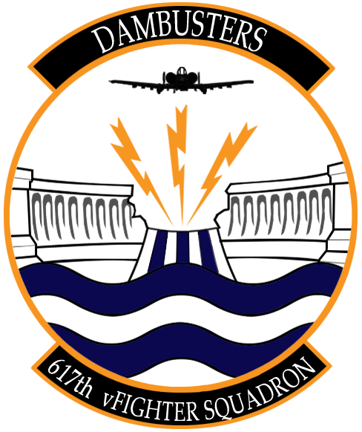
Air to Air Weapons | Cost | Weight (kg) | Number of Weapons | Cost Total | Weight Total (kg)
AIM-9L | $190,000 | 86 |  | $0 | 0
AIM-9M | $200,000 | 86 |  | $0 | 0
Air to Ground Weapons | Cost | Weight (kg) | Number of Weapons | Cost | Weight Total (kg)
Mk-82 | $2,000 | 241 |  | $0 | 0
Mk-82 AIR | $2,300 | 258 |  | $0 | 0
Mk-84 | $3,100 | 925 |  | $0 | 0

GBU-12 | $21,000 | 225 |  | $0 | 0
GBU-10 | $30,000 | 900 |  | $0 | 0
 |  |  |  |  | 0
GBU-38 | $25,000 | 252 |  | $0 | 0
GBU-31(V)3/B | $38,000 | 981 |  | $0 | 0
GBU-31 | $35,000 | 900 |  | $0 | 0

CBU-87 | $30,000 | 430 |  | $0 | 0
CBU-97 | $600,000 | 415 |  | $0 | 0
CBU-103 | $80,000 | 430 |  | $0 | 0
CBU-105 | $700,000 | 415 |  | $0 | 0

AGM-65D | $75,000 | 293 |  | $0 | 0
AGM-65G | $90,000 | 306 |  | $0 | 0
AGM-65H | $37,000 | 1060 |  | $0 | 0
AGM-65K | $30,000 | 1060 |  | $0 | 0

MK151 HE Rocket | $58,000 | 234 |  | $0 | 0
MK 156 WP Rocket | $58,000 | 234 |  | $0 | 0
MK5 HEAT Rocket | $58,000 | 234 |  | $0 | 0
M257 Rocket Parachute Light | $15,000 | 234 |  | $0 | 0
M274 Rocket Smoke | $15,000 | 234 |  | $0 | 0
Miscellaneous | Cost | Weight (kg) | Number of Weapons | Cost | Weight Total (kg)
AN/AAQ-28 Lightning | $1,400,000 | 300 |  | $0 | 0
ALQ-184 | $900,000 | 305 |  | $0 | 0
ALQ-131 | $800,000 | 215 |  | $0 | 0
Fuel Drop Tanks | $5,000 | 125 |  | $0 | 0

 |  |  | TOTAL | $0 | 0

Max Cost Allowed: $100,000,000
Max Weight Allowed: 120,000 kgs

Ka-50


Air to Ground Weapons | Cost | Weight (kg) | Number of Weapons | Cost | Weight Total (kg)
9A4172 Vikhr | $254,700 | 330 |  | $0 | 0

Kh-25ML | $80,000 | 300 |  | $0 | 0
 |  |  |  | $0 | 0
FAB-250 | $2,000 | 250 |  | $0 | 0
FAB-500 | $2,800 | 500 |  | $0 | 0
AO-2.5RT | $15,000 | 120 |  | $0 | 0

S-13 OF | $58,000 | 500 |  | $0 | 0
S-8KOM | $58,000 | 340 |  | $0 | 0
S-8OFP2 | $58,000 | 340 |  | $0 | 0
S-8OM | $58,000 | 360 |  | $0 | 0
S-8TsM | $58,000 | 300 |  | $0 | 0
Miscellaneous | Cost | Weight (kg) | Number of Weapons | Cost | Weight Total (kg)
UPK-23-250 | $100,000 | 219 |  | $0 | 0
Fuel Drop Tanks | $5,000 | 125 |  | $0 | 0

 |  |  | TOTAL | $0 | 0

Max Cost Allowed: $50,000,000
Max Weight Allowed: 60,000 kgs

